Sheet1
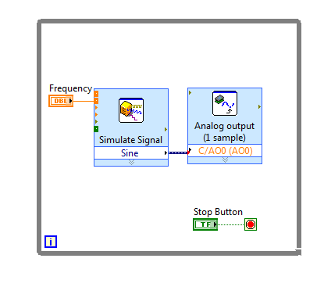
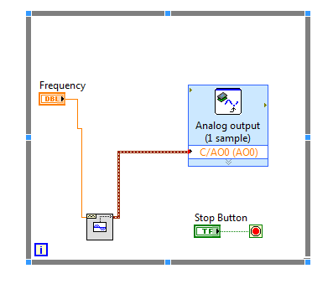
 | from oscilloscope
us (delay) | Hz |  | loop rate(kHz)
250 | 3.93 | 4 | 4 | one period has 1000 datapoints i.e 1000 iterations
200 | 4.9 | 5 | 5 | 4 Hz signal has 4000 datapoints generated in 1 sec
150 | 6.47 | 6.5 | 6.5 | therfore the loop rate is 4 kHz
100 | 9.58 | 9.5 | 9.5
50 | 18.4 | 18.5 | 18.5
25 | 34 | 34 | 34
12 | 61.1 | 61 | 61
0 | 227.3 | 228 | 228

 | 10 V amplitude

 |  | 1 V amplitude
 |  | 8 Hz max with 50 mV resolution |  |  | 77 Hz max with 50 mV resolution

